Cordon Map
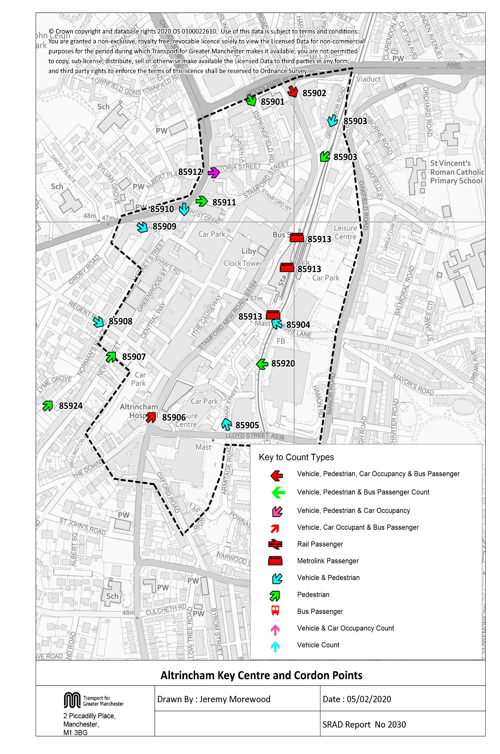

Tab 20 Alt KC Traffic Trend
Table 20 Altrincham Key Centre Inbound Cordon Counts 1997, 1999, 2002, 2005 & 2008 - 2019
Time Period | Year | Cars | LGV | OGV | Buses | M/C | P/C | All | Time Period | Year | Cars | LGV | OGV | Buses | M/C | P/C | All
07:30-09:30 | 1997 | 3972 | 334 | 142 | 147 | 9 | 88 | 4692 | 10:00-12:00 | 1997 | 3516 | 341 | 167 | 134 | 21 | 89 | 4268
 | 1998 |  |  |  |  |  |  |  |  | 1998
 | 1999 | 4308 | 321 | 145 | 150 | 19 | 71 | 5014 |  | 1999 | 3512 | 417 | 196 | 157 | 11 | 78 | 4371
 | 2000 |  |  |  |  |  |  |  |  | 2000
 | 2001 |  |  |  |  |  |  |  |  | 2001
 | 2002 | 4491 | 421 | 103 | 134 | 21 | 71 | 5241 |  | 2002 | 3339 | 468 | 129 | 112 | 13 | 50 | 4111
 | 2003 |  |  |  |  |  |  |  |  | 2003
 | 2004 |  |  |  |  |  |  |  |  | 2004
 | 2005 | 3534 | 343 | 88 | 109 | 17 | 79 | 4170 |  | 2005 | 3015 | 403 | 106 | 101 | 14 | 59 | 3698
 | 2006 |  |  |  |  |  |  |  |  | 2006
 | 2007 |  |  |  |  |  |  |  |  | 2007
 | 2008 | 3724 | 304 | 74 | 107 | 16 | 89 | 4314 |  | 2008 | 2482 | 412 | 110 | 104 | 6 | 38 | 3152
 | 2009 | 3692 | 308 | 60 | 105 | 14 | 94 | 4273 |  | 2009 | 2549 | 386 | 83 | 94 | 19 | 54 | 3185
 | 2010 | 3671 | 330 | 68 | 101 | 17 | 96 | 4283 |  | 2010 | 2586 | 392 | 97 | 98 | 11 | 61 | 3245
 | 2011 | 3550 | 291 | 51 | 102 | 13 | 81 | 4088 |  | 2011 | 2603 | 342 | 43 | 98 | 5 | 59 | 3150
 | 2012 | 3737 | 355 | 57 | 110 | 7 | 116 | 4382 |  | 2012 | 2780 | 408 | 72 | 94 | 7 | 54 | 3415
 | 2013 | 3878 | 310 | 71 | 102 | 13 | 106 | 4480 |  | 2013 | 2736 | 377 | 64 | 110 | 9 | 54 | 3350
 | 2014 | 3891 | 360 | 61 | 114 | 12 | 124 | 4562 |  | 2014 | 2663 | 412 | 77 | 107 | 7 | 53 | 3319
 | 2015 | 3721 | 329 | 61 | 98 | 17 | 151 | 4377 |  | 2015 | 2500 | 371 | 102 | 83 | 12 | 52 | 3120
 | 2016 | 3641 | 271 | 61 | 87 | 17 | 137 | 4214 |  | 2016 | 2690 | 312 | 83 | 78 | 10 | 33 | 3206
 | 2017 | 3827 | 263 | 73 | 75 | 10 | 130 | 4378 |  | 2017 | 2594 | 360 | 88 | 71 | 7 | 41 | 3161
 | 2018 | 3877 | 272 | 80 | 69 | 21 | 136 | 4455 |  | 2018 | 2689 | 382 | 102 | 62 | 9 | 45 | 3289
 | 2019 | 3937 | 285 | 83 | 60 | 15 | 147 | 4527 |  | 2019 | 2843 | 362 | 96 | 59 | 18 | 53 | 3431
 | 2019/1997 | 0.99 | 0.85 | 0.58 | 0.41 | 1.67 | 1.67 | 0.96 |  | 2019/1997 | 0.81 | 1.06 | 0.57 | 0.44 | 0.86 | 0.60 | 0.80
Altrincham Key Centre Inbound Vehicle Counts
 | 0730-0930 | 1000-1200 | 1600-1800
1997 | 4692 | 4268 | 4118
1998
1999 | 5014 | 4371 | 4097
2000
2001
2002 | 5241 | 4111 | 4003
2003
2004
2005 | 4170 | 3698 | 3575
2006
2007
2008 | 4314 | 3152 | 3323
2009 | 4273 | 3185 | 3407
2010 | 4283 | 3245 | 3707
2011 | 4088 | 3150 | 3265
2012 | 4382 | 3415 | 3451
2013 | 4480 | 3350 | 3471
2014 | 4562 | 3319 | 3627
2015 | 4377 | 3120 | 3515
2016 | 4214 | 3206 | 3752
2017 | 4378 | 3161 | 3698
2018 | 4455 | 3289 | 3625
2019 | 4527 | 3431 | 3847
16:00-18:00 | 1997 | 3517 | 289 | 96 | 132 | 16 | 68 | 4118
 | 1998
 | 1999 | 3563 | 245 | 75 | 135 | 20 | 59 | 4097
 | 2000
 | 2001
 | 2002 | 3487 | 278 | 52 | 124 | 23 | 39 | 4003
 | 2003
 | 2004
 | 2005 | 3150 | 249 | 22 | 98 | 12 | 44 | 3575
 | 2006
 | 2007
 | 2008 | 2906 | 221 | 24 | 96 | 13 | 63 | 3323
 | 2009 | 2987 | 228 | 15 | 90 | 16 | 71 | 3407
 | 2010 | 3275 | 230 | 34 | 96 | 14 | 58 | 3707
 | 2011 | 2858 | 206 | 14 | 98 | 11 | 78 | 3265
 | 2012 | 2982 | 268 | 21 | 95 | 22 | 63 | 3451
 | 2013 | 3017 | 225 | 33 | 94 | 16 | 86 | 3471
 | 2014 | 3150 | 247 | 18 | 101 | 13 | 98 | 3627
 | 2015 | 3077 | 227 | 31 | 75 | 20 | 85 | 3515
 | 2016 | 3398 | 180 | 15 | 70 | 14 | 75 | 3752
 | 2017 | 3288 | 241 | 31 | 72 | 6 | 60 | 3698
 | 2018 | 3254 | 214 | 31 | 61 | 9 | 56 | 3625
 | 2019 | 3443 | 218 | 29 | 64 | 19 | 74 | 3847
 | 2019/1997 | 0.98 | 0.75 | 0.30 | 0.48 | 1.19 | 1.09 | 0.93
Note: Traffic flows crossing the cordon were affected by the completion of the Altrincham Eastern Improvement Route in October 2002.

Table 26 KC Car & Non-carTrips
Car and Non-Car Trips into Altrincham Key Centre 07:30-09:30
 | Car | Bus | Walk | Rail/ Metrolink | Cycle
2002 | 5704 | 1233 | 1658 | 1444 | 71
2003
2004
2005 | 4170 | 810 | 2225 | 1303 | 79
2006
2007
2008 | 4543 | 943 | 2293 | 1378 | 89
2009 | 4873 | 1125 | 2289 | 1325 | 94
2010 | 4809 | 973 | 2171 | 1360 | 96
2011 | 4473 | 859 | 2294 | 1531 | 81
2012 | 4858 | 989 | 2120 | 1498 | 116
2013 | 5119 | 858 | 2121 | 1673 | 106
2014 | 5175 | 790 | 2385 | 1539 | 124
2015 | 4825 | 728 | 2256 | 1755 | 151
2016 | 4759 | 896 | 2331 | 1872 | 137
2017 | 5063 | 691 | 2632 | 2190 | 130
2018 | 5037 | 682 | 2778 | 2006 | 136
2019 | 5059 | 800 | 2871 | 1994 | 147
Table 26 Car and Non-Car Trips into Altrincham Key Centre
Time Period | Year | Car | Bus | Rail/ Metrolink | Cycle | Walk | Total | % Car | % Non-Car
07:30-09:30 | 2002 | 5704 | 1233 | 1444 | 71 | 1658 | 10109 | 56 | 44
 | 2003
 | 2004
 | 2005 | 4170 | 810 | 1303 | 79 | 2225 | 8587 | 49 | 51
 | 2006
 | 2007
 | 2008 | 4543 | 943 | 1378 | 89 | 2293 | 9246 | 49 | 51
 | 2009 | 4873 | 1125 | 1325 | 94 | 2289 | 9706 | 50 | 50
 | 2010 | 4809 | 973 | 1360 | 96 | 2171 | 9409 | 51 | 49
 | 2011 | 4473 | 859 | 1531 | 81 | 2294 | 9238 | 48 | 52
 | 2012 | 4858 | 989 | 1498 | 116 | 2120 | 9581 | 51 | 49
 | 2013 | 5119 | 858 | 1673 | 106 | 2121 | 9877 | 52 | 48
 | 2014 | 5175 | 790 | 1539 | 124 | 2385 | 10013 | 52 | 48
 | 2015 | 4825 | 728 | 1755 | 151 | 2256 | 9715 | 50 | 50
 | 2016 | 4759 | 896 | 1872 | 137 | 2331 | 9995 | 48 | 52
 | 2017 | 5063 | 691 | 2190 | 130 | 2632 | 10707 | 47 | 53
 | 2018 | 5037 | 682 | 2006 | 136 | 2778 | 10639 | 47 | 53
 | 2019 | 5059 | 800 | 1994 | 147 | 2871 | 10872 | 47 | 53
Car and Non-Car Trips into Altrincham Key Centre 10:00-12:00
 | Car | Bus | Walk | Rail/ Metrolink | Cycle
2002 | 4274 | 1166 | 1985 | 557 | 50
2003
2004
2005 | 3829 | 857 | 2202 | 461 | 59
2006
2007
2008 | 3127 | 813 | 2237 | 561 | 38
2009 | 3390 | 837 | 2262 | 444 | 54
2010 | 3517 | 693 | 2089 | 459 | 61
2011 | 3384 | 685 | 2182 | 584 | 59
2012 | 3642 | 754 | 2039 | 502 | 54
2013 | 3666 | 705 | 1793 | 450 | 54
2014 | 3515 | 475 | 2156 | 540 | 53
2015 | 3272 | 521 | 1924 | 440 | 52
2016 | 3519 | 551 | 2070 | 521 | 33
2017 | 3481 | 433 | 2250 | 530 | 41
2018 | 3495 | 482 | 2470 | 509 | 45
2019 | 3544 | 469 | 2359 | 613 | 53
 | 2019/2002 | 0.89 | 0.65 | 1.38 | 2.07 | 1.73 | 1.08
10:00-12:00 | 2002 | 4274 | 1166 | 557 | 50 | 1985 | 8032 | 53 | 47
 | 2003
 | 2004
 | 2005 | 3829 | 857 | 461 | 59 | 2202 | 7408 | 52 | 48
 | 2006
 | 2007
 | 2008 | 3127 | 813 | 561 | 38 | 2237 | 6776 | 46 | 54
 | 2009 | 3390 | 837 | 444 | 54 | 2262 | 6988 | 49 | 51
 | 2010 | 3517 | 693 | 459 | 61 | 2089 | 6819 | 52 | 48
 | 2011 | 3384 | 685 | 584 | 59 | 2182 | 6894 | 49 | 51
 | 2012 | 3642 | 754 | 502 | 54 | 2039 | 6991 | 52 | 48
 | 2013 | 3666 | 705 | 450 | 54 | 1793 | 6668 | 55 | 45
 | 2014 | 3515 | 475 | 540 | 53 | 2156 | 6739 | 52 | 48
 | 2015 | 3272 | 521 | 440 | 52 | 1924 | 6209 | 53 | 47
 | 2016 | 3519 | 551 | 521 | 33 | 2070 | 6695 | 53 | 47
 | 2017 | 3481 | 433 | 530 | 41 | 2250 | 6735 | 52 | 48
 | 2018 | 3495 | 482 | 509 | 45 | 2470 | 7002 | 50 | 50
 | 2019 | 3544 | 469 | 613 | 53 | 2359 | 7037 | 50 | 50
Car and Non-Car Trips into Altrincham Key Centre 16:00-18:00
 | Car | Bus | Walk | Rail/ Metrolink | Cycle
2002 | 4673 | 304 | 1196 | 936 | 39
2003
2004
2005 | 4158 | 329 | 2000 | 926 | 44
2006
2007
2008 | 3574 | 379 | 2036 | 789 | 63
2009 | 4242 | 402 | 1973 | 743 | 71
2010 | 4618 | 444 | 1600 | 740 | 58
2011 | 3915 | 441 | 1866 | 711 | 78
2012 | 4205 | 319 | 1933 | 797 | 63
2013 | 4465 | 408 | 1885 | 844 | 86
2014 | 4442 | 199 | 1928 | 641 | 98
2015 | 4194 | 203 | 2228 | 699 | 85
2016 | 4541 | 272 | 2248 | 831 | 75
2017 | 4418 | 300 | 2039 | 819 | 60
2018 | 4497 | 334 | 2637 | 971 | 56
2019 | 4905 | 355 | 2655 | 1020 | 74
 | 2019/2002 | 0.83 | 0.40 | 1.10 | 1.06 | 1.19 | 0.88
16:00-18:00 | 2002 | 4673 | 304 | 936 | 39 | 1196 | 7148 | 65 | 35
 | 2003
 | 2004
 | 2005 | 4158 | 329 | 926 | 44 | 2000 | 7457 | 56 | 44
 | 2006
 | 2007
 | 2008 | 3574 | 379 | 789 | 63 | 2036 | 6841 | 52 | 48
 | 2009 | 4242 | 402 | 743 | 71 | 1973 | 7430 | 57 | 43
 | 2010 | 4618 | 444 | 740 | 58 | 1600 | 7460 | 62 | 38
 | 2011 | 3915 | 441 | 711 | 78 | 1866 | 7011 | 56 | 44
 | 2012 | 4205 | 319 | 797 | 63 | 1933 | 7317 | 57 | 43
 | 2013 | 4465 | 408 | 844 | 86 | 1885 | 7689 | 58 | 42
 | 2014 | 4442 | 199 | 641 | 98 | 1928 | 7307 | 61 | 39
 | 2015 | 4194 | 203 | 699 | 85 | 2228 | 7409 | 57 | 43
 | 2016 | 4541 | 272 | 831 | 75 | 2248 | 7968 | 57 | 43
 | 2017 | 4418 | 300 | 819 | 60 | 2039 | 7636 | 58 | 42
 | 2018 | 4497 | 334 | 971 | 56 | 2637 | 8496 | 53 | 47
 | 2019 | 4905 | 355 | 1020 | 74 | 2655 | 9009 | 54 | 46
 | 2019/2002 | 1.05 | 1.17 | 1.09 | 1.90 | 2.22 | 1.26

